wl registrations
Waiting list registrations (any organ), by year, by country
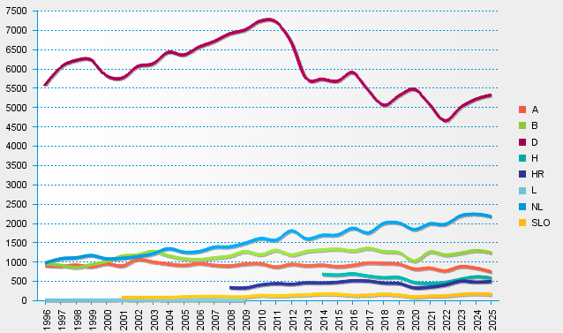
statistics.eurotransplant.org : 4036P_all organs : 13.02.2026 : counting each (re-)registration event

