wl registrations
Lung waiting list registrations, by year, by country
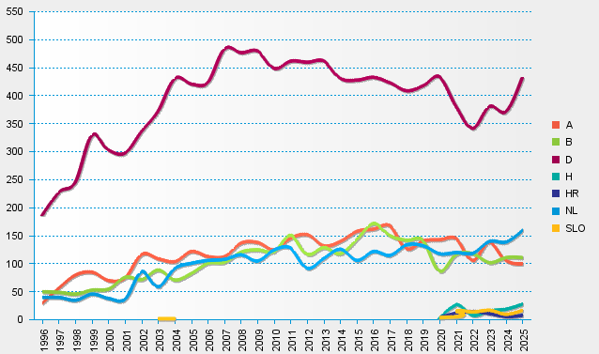
statistics.eurotransplant.org : 4036P_lung : 13.02.2026 : counting each (re-)registration event

