donors
Deceased donors used in All ET, median age, by year, by organ used
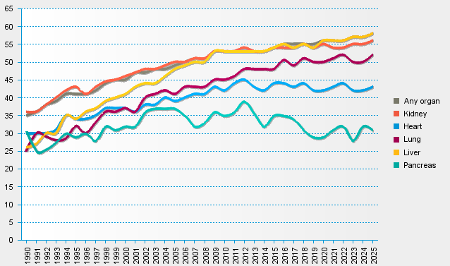
statistics.eurotransplant.org : 1085P_All ET : 13.02.2026

