donors
Deceased donors used in Belgium, median age, by year, by organ used
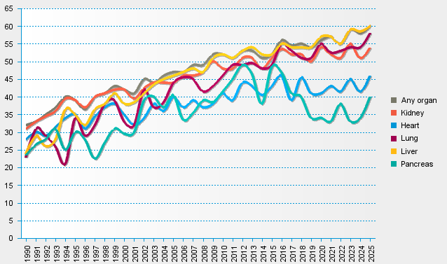
statistics.eurotransplant.org : 1085P_Belgium : 13.02.2026

