waiting list
Kidney waiting list (at year-end) in All ET, by year, by urgency
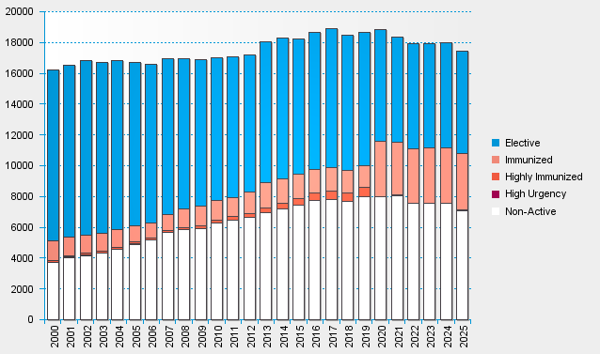

statistics.eurotransplant.org : 3062P_All ET_kidney : 13.02.2026 : including recipients also waiting for other organs

