waiting list
Heart waiting list (at year-end) in Germany, by year, by urgency
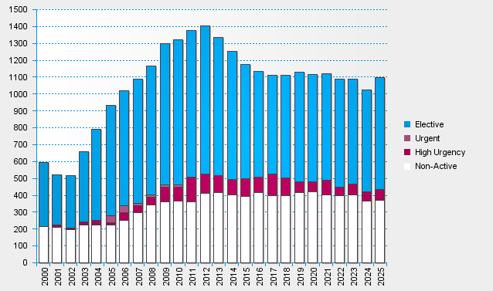

statistics.eurotransplant.org : 3062P_Germany_heart : 13.02.2026 : including recipients also waiting for other organs, excl. heart+lung

