waiting list
Lung waiting list (at year-end) in Austria, by year, by urgency
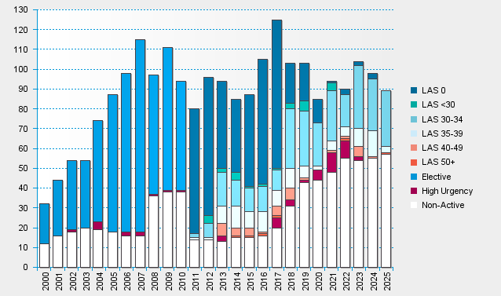

statistics.eurotransplant.org : 3062P_Austria_lung : 13.02.2026 : including recipients also waiting for other organs, excl. heart+lung

