waiting list
Pancreas waiting list (at year-end) in Austria, by year, by urgency
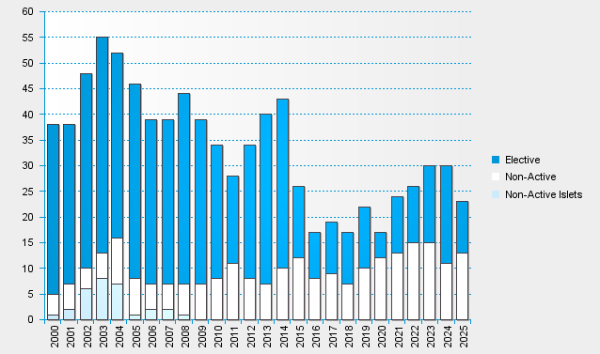

statistics.eurotransplant.org : 3062P_Austria_pancreas : 13.02.2026 : including recipients also waiting for other organs

