WL dynamics
Active heart waiting list and transplants in Eurotransplant
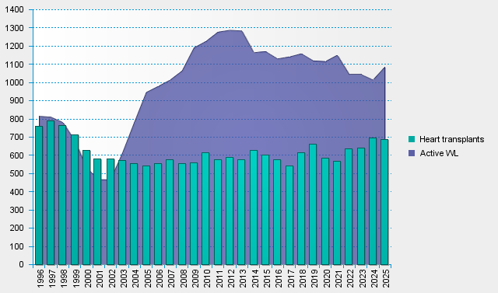
statistics.eurotransplant.org : 7090P_All ET_heart : 13.02.2026 : excluding He+Lu

