WL dynamics
Active kidney waiting list and transplants in Eurotransplant
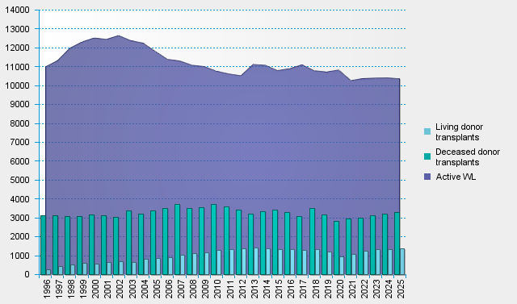
statistics.eurotransplant.org : 7090P_All ET_kidney : 13.02.2026 :

