transplants
Pancreas transplants (deceased donor), by year, by country, 1967-2025
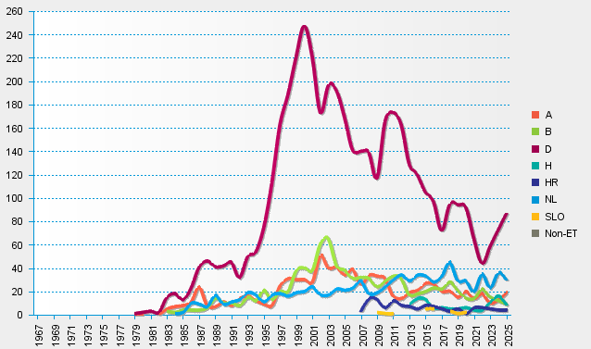
statistics.eurotransplant.org : 2236P_pancreas : 13.02.2026

