donors
Deceased donors used, per million population, by year, by donor country
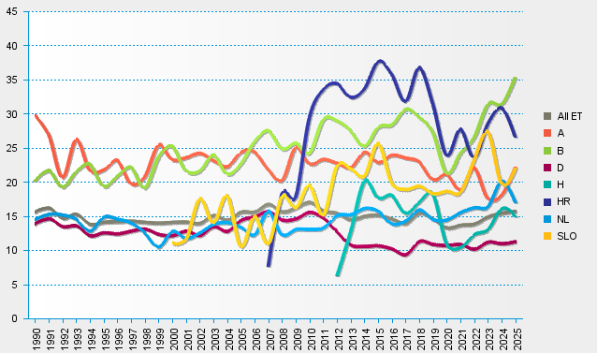
statistics.eurotransplant.org : 1036P_all organs : 13.02.2026

