donors
Deceased pancreas donors used, per million population, by year, by donor country
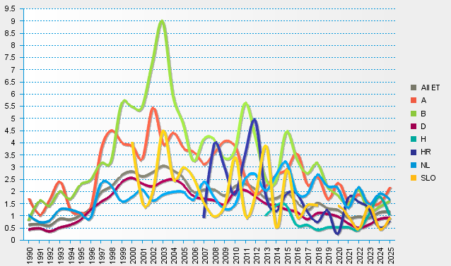
statistics.eurotransplant.org : 1036P_pancreas : 13.02.2026

