transplants
Lung transplants (deceased donor), by year, by country
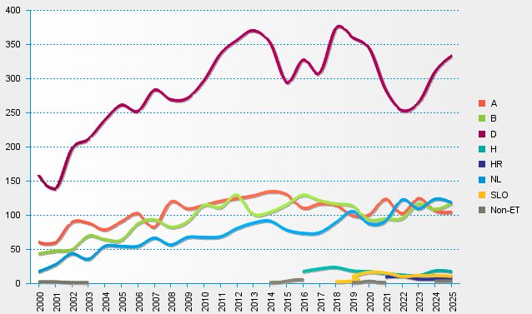
statistics.eurotransplant.org : 2238P_lung : 13.02.2026

