transplants
Heart transplants (deceased donor), by year, by country
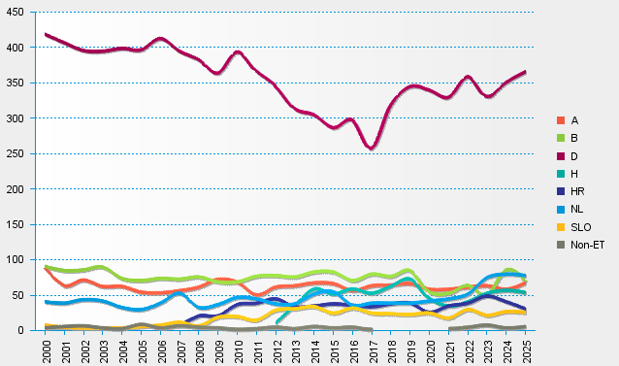
statistics.eurotransplant.org : 2238P_heart : 13.02.2026

