transplants
Kidney transplants (deceased donor), by year, by country
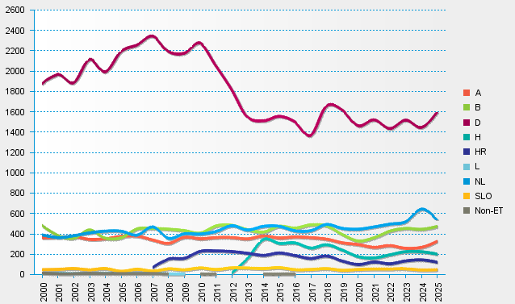
statistics.eurotransplant.org : 2238P_kidney : 13.02.2026

