transplants
Pancreas transplants (deceased donor), by year, by country
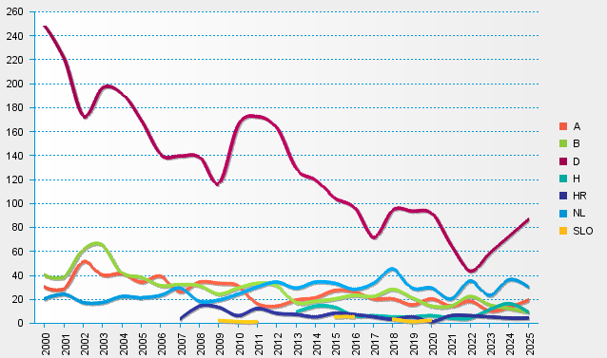
statistics.eurotransplant.org : 2238P_pancreas : 13.02.2026

