transplants
Transplants (deceased donor) in Austria, by year, by organ, 1967-2025
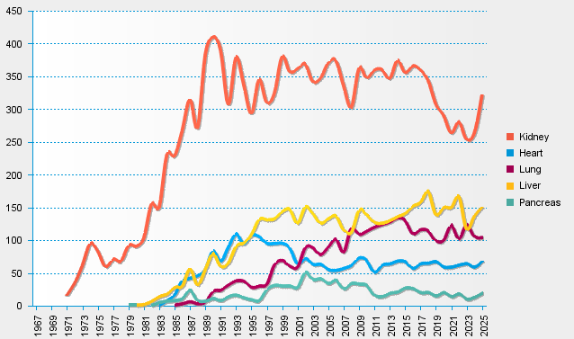
statistics.eurotransplant.org : 2235P_Austria : 13.02.2026

