donors
Deceased donors used in All ET, by year, by organ used
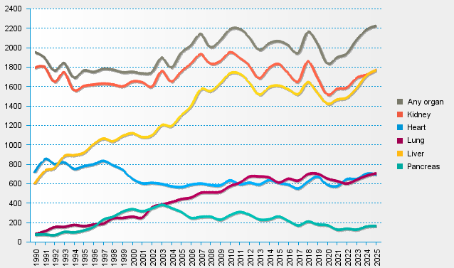
statistics.eurotransplant.org : 1045P_All ET : 13.02.2026

