donors
Deceased donors used in Slovenia, by year, by organ used
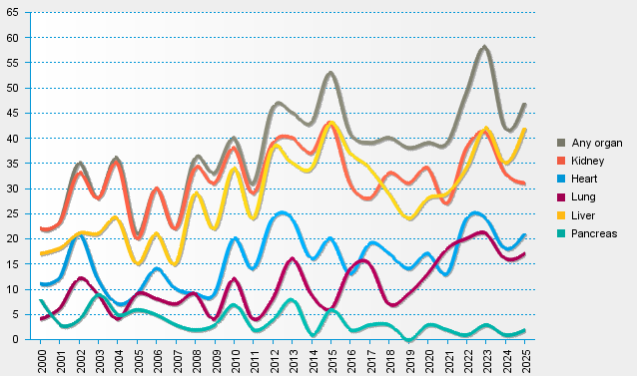
statistics.eurotransplant.org : 1045P_Slovenia : 13.02.2026

