time to transplant
Transplant (deceased donor) recipients in All ET, median time to transplant, by year, by organ
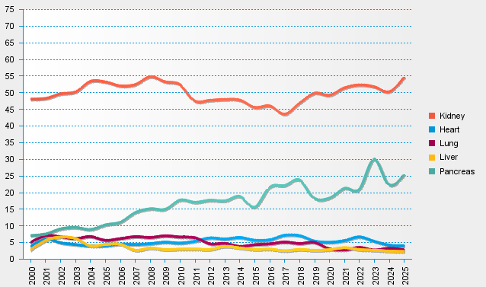
statistics.eurotransplant.org : 2195P_All ET : 13.02.2026 : months since first dialysis for kidney, otherwise months on WL

