active wl
Active lung waiting list (at year end) in Eurotransplant, by year, by country
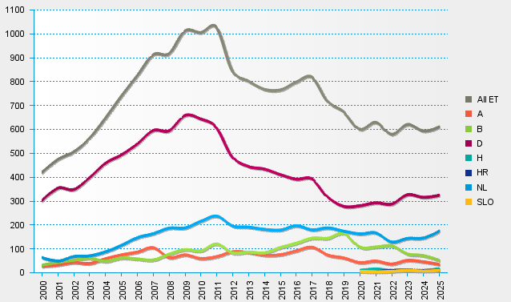
statistics.eurotransplant.org : 3076P_lung : 13.02.2026

