active wl
Active heart waiting list (at year end) in Eurotransplant, by year, by country
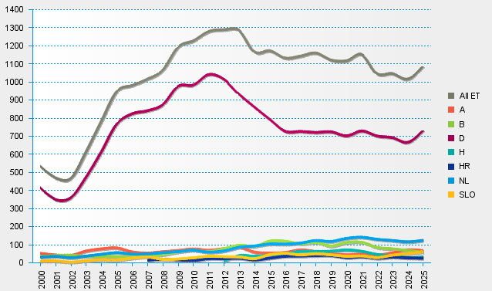
statistics.eurotransplant.org : 3076P_heart : 13.02.2026

