active wl
Active waiting list (at year-end) in All ET, by year, by organ
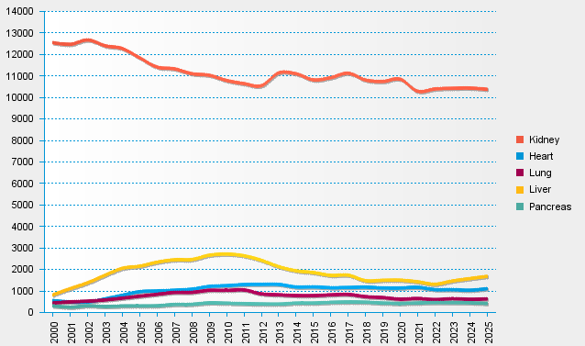
statistics.eurotransplant.org : 3075P_All ET : 13.02.2026

