wl recipient age
Active waiting list (at year-end) in All ET, median patient age, by year, by organ
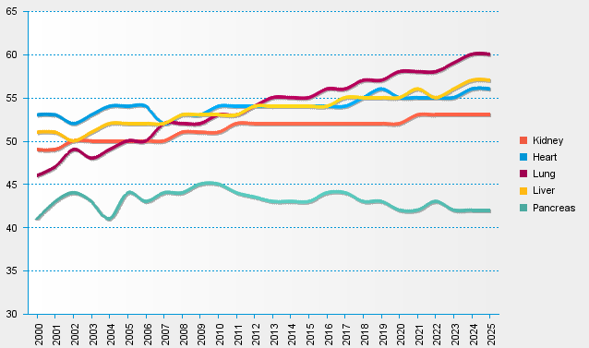
statistics.eurotransplant.org : 3055P_All ET : 13.02.2026

