donors used
Deceased donors used, median age, by year, by donor country
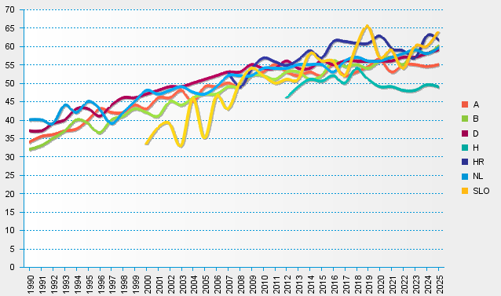
statistics.eurotransplant.org : 1086P_all organs : 13.02.2026

