donors used
Deceased pancreas donors used, median age, by year, by donor country
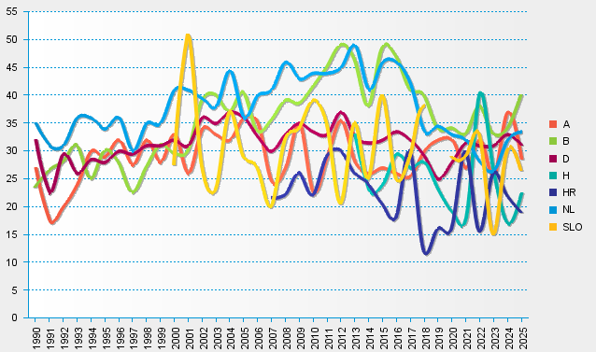
statistics.eurotransplant.org : 1086P_pancreas : 13.02.2026

