donors used
Deceased liver donors used, median age, by year, by donor country
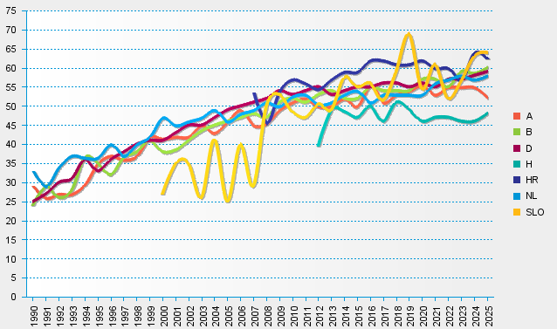
statistics.eurotransplant.org : 1086P_liver : 13.02.2026

