donors used
Deceased heart donors used, median age, by year, by donor country
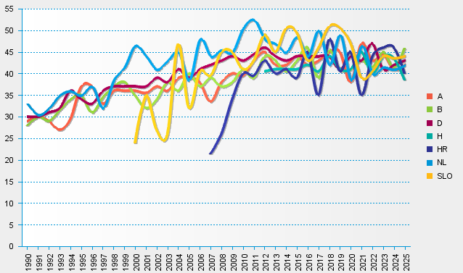
statistics.eurotransplant.org : 1086P_heart : 13.02.2026

