time on wl
Active waiting list (at year-end) in All ET, median time waiting, by year, by organ
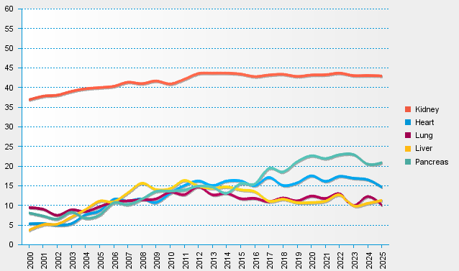
statistics.eurotransplant.org : 3085P_All ET : 13.02.2026 : months since first dialysis for kidney, otherwise months on WL

