transplants
Heart transplants (deceased donor) in All ET, by year, by urgency
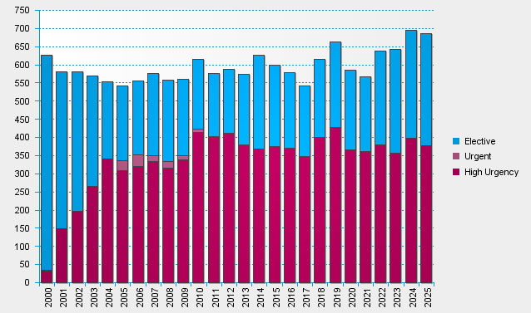

statistics.eurotransplant.org : 2142P_All ET_heart : 13.02.2026

