transplants
Liver transplants (deceased donor) in All ET, by year, by urgency
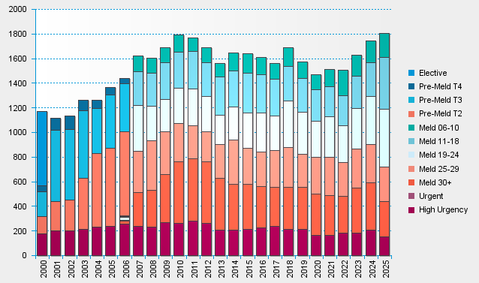

statistics.eurotransplant.org : 2142P_All ET_liver : 13.02.2026

