transplants
Heart transplants (deceased donor) in Slovenia, by year, by urgency
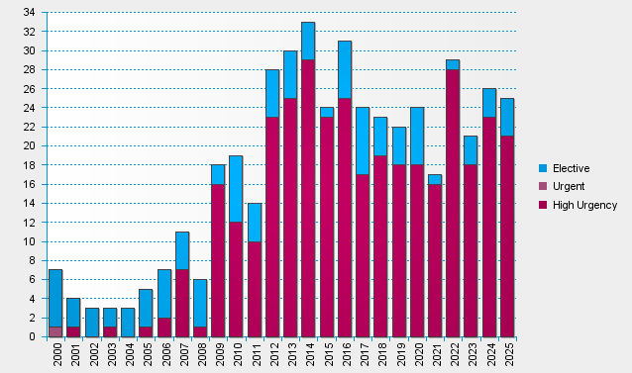

statistics.eurotransplant.org : 2142P_Slovenia_heart : 13.02.2026

