transplants
Kidney transplants (deceased donor) in Netherlands, by year, by urgency
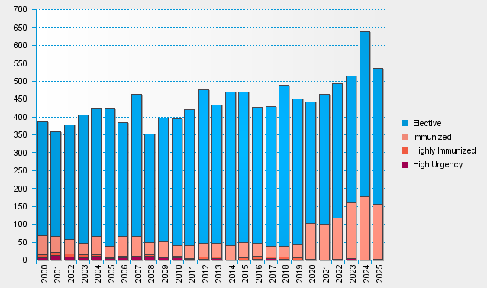

statistics.eurotransplant.org : 2142P_Netherlands_kidney : 13.02.2026

