transplants
Heart transplants (deceased donor) in Belgium, by year, by urgency
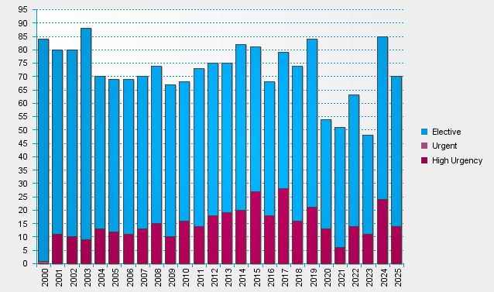

statistics.eurotransplant.org : 2142P_Belgium_heart : 13.02.2026

