transplants
Liver transplants (deceased donor) in Austria, by year, by urgency
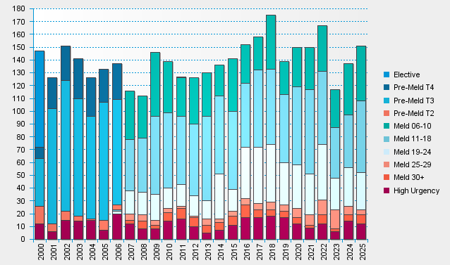

statistics.eurotransplant.org : 2142P_Austria_liver : 13.02.2026

