transplants
Pancreas transplants (deceased donor) in Austria, by year, by urgency
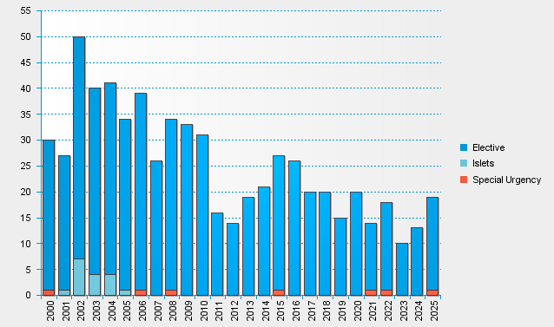

statistics.eurotransplant.org : 2142P_Austria_pancreas : 13.02.2026

