wl registrations
Waiting list registrations (any organ) per million population, by year, by country
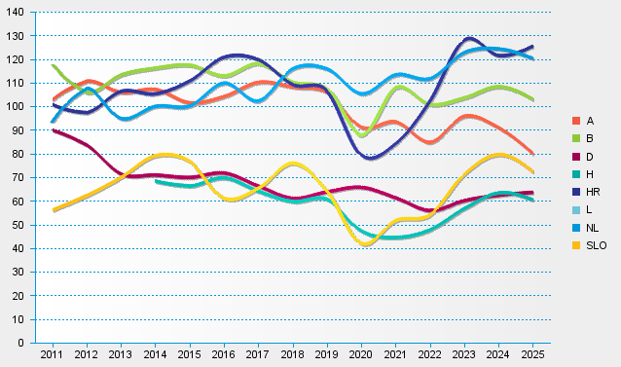
statistics.eurotransplant.org : 4156P_all organs : 13.02.2026 : including re-registrations

