template
Transplants (deceased donor) in All ET, median recipient age, by year, by organ
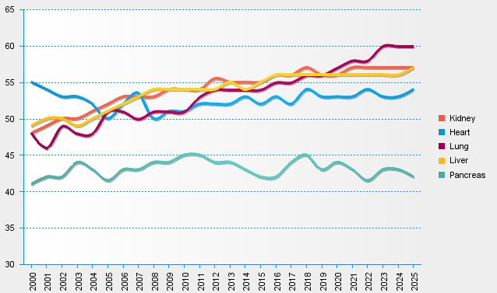
statistics.eurotransplant.org : 2105P_All ET : 13.02.2026

