transplants
Transplants (deceased donor) in Eurotransplant, by year, by organ
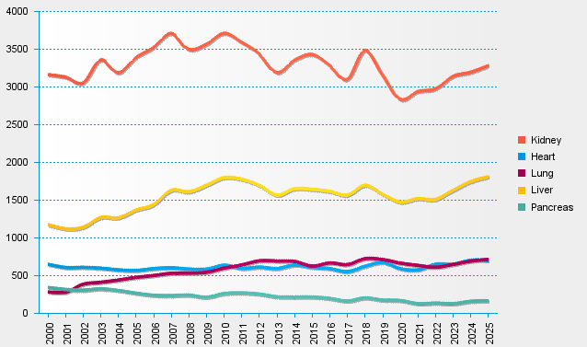
statistics.eurotransplant.org : 2237P_All ET : 13.02.2026

