transplants
Transplants (deceased donor) in Croatia, by year, by organ
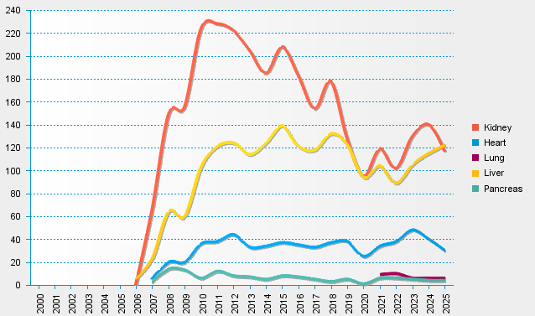
statistics.eurotransplant.org : 2237P_Croatia : 13.02.2026

