transplants
Transplants (deceased donor) in Austria, by year, by organ
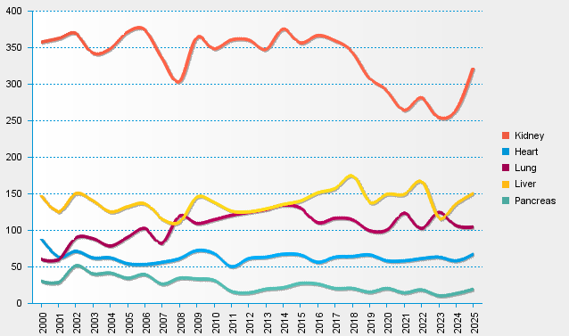
statistics.eurotransplant.org : 2237P_Austria : 13.02.2026

